Instructions
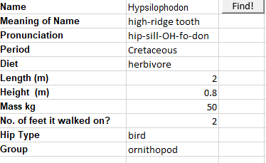
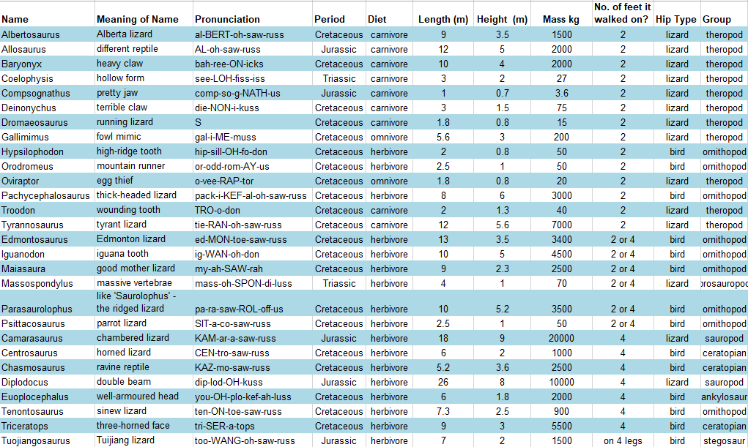
Instructions
Input a dinosaur name on cell B2
Develop a macro named SearchDinoName
 | This macro will automatically fill in, using the VLOOKUP function, the dinosaur details into the respective fields from B3 to B12.
Develop a macro named MarbledPattern
 | This macro will will apply a marbled pattern starting from the second row of your data.
 | It will color every even row with a light blue shade, giving a striped effect to the data range.

Example

